Instructions
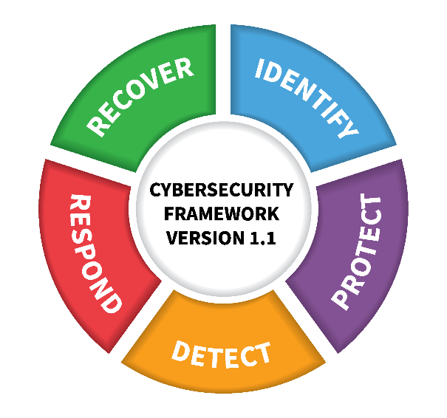
NIST CSF Assessment Tool
Credits | Tool based on NIST CSF version 1.1

Assessor Information Tab
Assessor Information Tab | The fields in this tab are primarily for reference. The highlighted fields populate a couple of cells in the reporting tabs
Assessment Tab
Assessment Tab: Implemented | This column is in response to the question, "Have you implemented this control?" For consistency, this is a drop down list where you can choose of the following options.
Implemented Value | Description and Guidance
Yes | Yes! This control have been implemented in some form or fashion, and we are ready to talk about the level of maturity.
No | No, we have not implemented but agree that we probably should. Set current Maturity Level to 1. Be realistic about the Target Maturity level, and the timeline.
Partial | We are in the middle of implementing the control now. With this level of implementation, you should still complete the Maturity Level, but it will probably be less then 3 for current. Be realistic about the Target Maturity level, and the timeline.
N/A | Not Implemented. Don't plan to. Don't think it applies to our organization or program. If this is your answer, you can leave the Maturity levels blank.

Assessment Tab: Maturity Assessment | Current maturity represents the organization's current state for each assessed area. Target maturity represents the vendors desired long-term maturity level for each assessed area. Ratings can be made in quarter-point increments ranging from 1 - 4 for each assessed area. Remember, if your answered "No" in Implemented your current maturity is going to be a 1. If you are "Partial" implemented, current maturity will be below 3. If your Implemented answer was "N/A", leave the maturity scores blank. Try to be as objective as you can. The table below will provide additional guidance on the definiation of each maturity level.
Maturity Level | Description and Guidance
Level 1 (Partial) | Policies/processes often not well-defined or documented. Generally reactive and/or ad-hoc. Execution often inconsistent, highly dependent on the knowledge and motivation of people involved. A detailed audit would likely identify risk management design and execution gaps that need to be addressed.
Level 2 (Risk Informed) | Practices are approved by management but not by organization-wide policy. Most important processes in place, but may not be fully documented. Mix of proactive and reactive approaches. Execution may be inconsistent at times, somewhat process-driven but also dependent on the knowledge and motivation of people involved. Governance/risk/compliance teams tend to play a significant role in driving risk management activities. A detailed audit would likely result in recommendations for improvement to risk management design and execution.
Level 3 (Repeatable) | Practices are formally approved and expressed as policy. Execution is consistent and generally process-driven. Governance/risk/compliance teams may play a significant role in driving effective risk management activities, working with business areas. A detailed audit may identify some low/moderate risk execution issues.
Level 4 (Adaptive) | Practices based on lessons learned and predictive indicators from previous and current activities. Execution is highly consistent and process-driven. Key risk management activities embedded in business operations. Business areas have clear ownership and accountability, and a strong partnership with governance/risk/compliance teams. Periodically monitored for effectiveness, with reporting of results to key leadership. A detailed audit would likely identify strong risk management design and very few execution issues.

Assessment Tab: Target Maturity Timeframe | Number of years that you estimate it will take you to go from your Current maturity level to your Target. Round up to whole number. Example, if it is 2.5 years of work, put in 3. (it always takes longer then you expect it to.) If your Implemented answer was "N/A", leave this field blank as you did with the maturity scores.

Reporting Dashboard
Implemented
 | Implemented
IDENTIFY (ID) | 0%
PROTECT (PR) | 0%
DETECT (DE) | 0%
RESPOND (RS) | 0%
RECOVER (RC) | 0%
Maturity Assessment
 | Current Maturity | Target Maturity
IDENTIFY (ID) | 0.00 | 0.00
PROTECT (PR) | 0.00 | 0.00
DETECT (DE) | 0.00 | 0.00
RESPOND (RS) | 0.00 | 0.00
RECOVER (RC) | 0.00 | 0.00
Target Maturity Max Timeframe
 | Target Maturity Timeframe
IDENTIFY (ID) | 0
PROTECT (PR) | 0
DETECT (DE) | 0
RESPOND (RS) | 0
RECOVER (RC) | 0
0
 | Completed: | 0
Category

Implemented
Asset Management (ID.AM) | 0%
Business Environment (ID.BE) | 0%
Governance (ID.GV) | 0%
Risk Assessment (ID.RA) | 0%
Risk Management Strategy (ID.RM) | 0%
Supply Chain Risk Management (ID.SC) | 0%
Maturity Assessment
 | Current Maturity | Target Maturity
Asset Management (ID.AM) | 0.00 | 0.00
Business Environment (ID.BE) | 0.00 | 0.00
Governance (ID.GV) | 0.00 | 0.00
Risk Assessment (ID.RA) | 0.00 | 0.00
Risk Management Strategy (ID.RM) | 0.00 | 0.00
Supply Chain Risk Management (ID.SC) | 0.00 | 0.00
Target Maturity Max Timeframe
Asset Management (ID.AM) | 0
Business Environment (ID.BE) | 0
Governance (ID.GV) | 0
Risk Assessment (ID.RA) | 0
Risk Management Strategy (ID.RM) | 0
Supply Chain Risk Management (ID.SC) | 0
IDENTIFY (ID)

Implemented
Identity Management (PR.AC) | 0%
Awareness and Training (PR.AT) | 0%
Data Security (PR.DS) | 0%
Information Protection (PR.IP) | 0%
Maintenance (PR.MA) | 0%
Protective Technology (PR.PT) | 0%
Maturity Assessment
 | Current Maturity | Target Maturity
Identity Management (PR.AC) | 0.00 | 0.00
Awareness and Training (PR.AT) | 0.00 | 0.00
Data Security (PR.DS) | 0.00 | 0.00
Information Protection (PR.IP) | 0.00 | 0.00
Maintenance (PR.MA) | 0.00 | 0.00
Protective Technology (PR.PT) | 0.00 | 0.00
Target Maturity Max Timeframe
Identity Management (PR.AC) | 0
Awareness and Training (PR.AT) | 0
Data Security (PR.DS) | 0
Information Protection (PR.IP) | 0
Maintenance (PR.MA) | 0
Protective Technology (PR.PT) | 0
PROTECT (PR)

Implemented
Anomalies and Events (DE.AE) | 0%
Security Continuous Monitoring (DE.CM) | 0%
Detection Processes (DE.DP) | 0%
Maturity Assessment
 | Current Maturity | Target Maturity
Anomalies and Events (DE.AE) | 0.00 | 0.00
Security Continuous Monitoring (DE.CM) | 0.00 | 0.00
Detection Processes (DE.DP) | 0.00 | 0.00
Target Maturity Max Timeframe
Anomalies and Events (DE.AE) | 0
Security Continuous Monitoring (DE.CM) | 0
Detection Processes (DE.DP) | 0
DETECT (DE)

Implemented
Response Planning (RS.RP) | 0%
Communications (RS.CO) | 0%
Analysis (RS.AN) | 0%
Mitigation (RS.MI) | 0%
Improvements (RS.IM) | 0%
Maturity Assessment
 | Current Maturity | Target Maturity
Response Planning (RS.RP) | 0.00 | 0.00
Communications (RS.CO) | 0.00 | 0.00
Analysis (RS.AN) | 0.00 | 0.00
Mitigation (RS.MI) | 0.00 | 0.00
Improvements (RS.IM) | 0.00 | 0.00
Target Maturity Max Timeframe
Response Planning (RS.RP) | 0
Communications (RS.CO) | 0
Analysis (RS.AN) | 0
Mitigation (RS.MI) | 0
Improvements (RS.IM) | 0
RESPOND (RS)

Implemented
Recovery Planning (RC.RP) | 0%
Improvements (RC.IM) | 0%
Communications (RC.CO) | 0%
Maturity Assessment
 | Current Maturity | Target Maturity
Recovery Planning (RC.RP) | 0.00 | 0.00
Improvements (RC.IM) | 0.00 | 0.00
Communications (RC.CO) | 0.00 | 0.00
Target Maturity Max Timeframe
Recovery Planning (RC.RP) | 0
Improvements (RC.IM) | 0
Communications (RC.CO) | 0
RECOVER (RC)

